Print Page 1
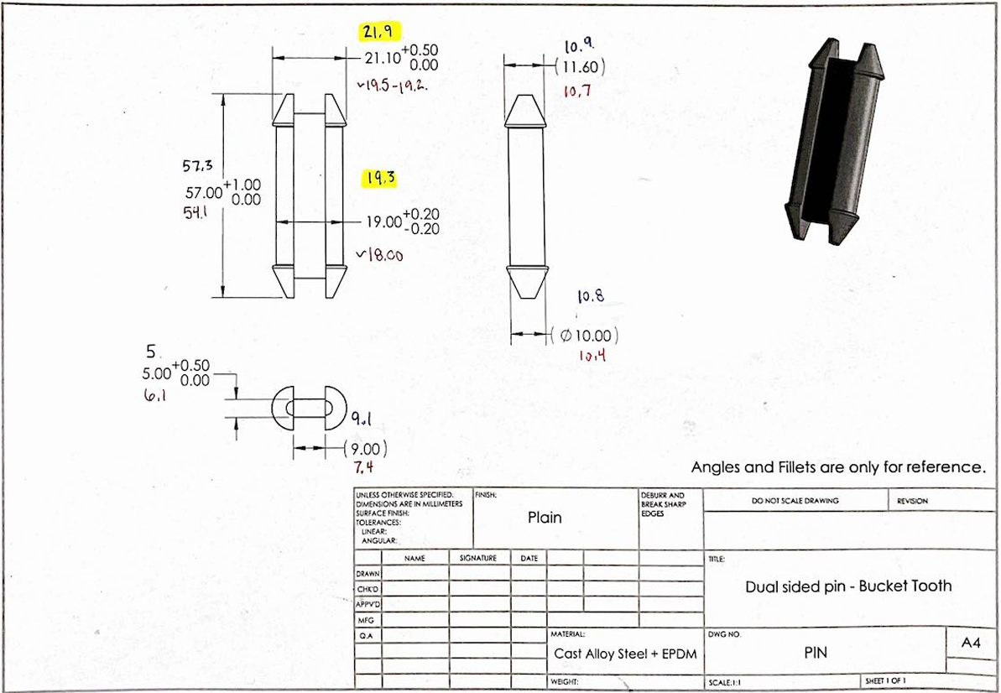
3

1

5

4

2

6
7

